Sheet1
Power reduction calculation caused by pressure reduction

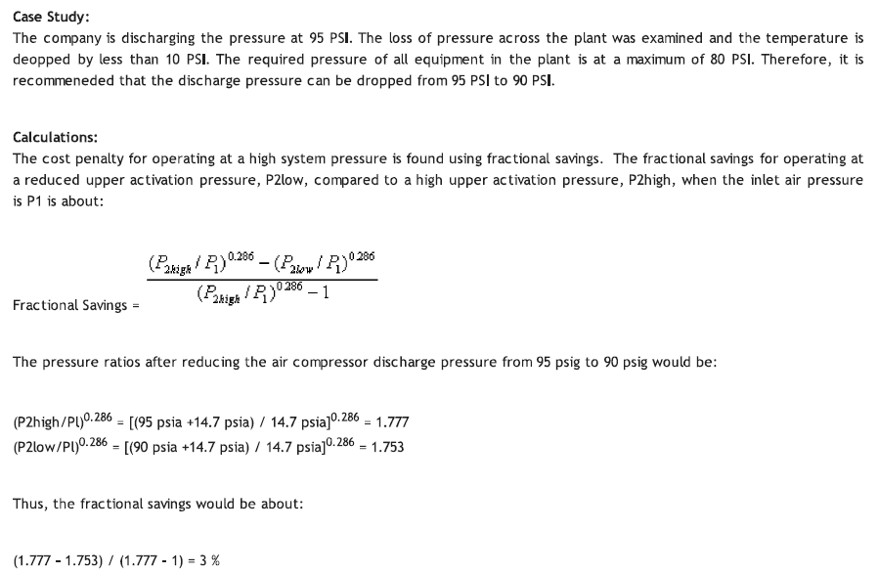
start pressure | 13.00 | Bar
% reduction | 5.00 | % / bar
kW | 200.00 | kW

Pressure (bar) | fixed pct | fixed pct kW | Pressure (PSI) | calc pct | calc pct kW
13 | 100.00 | 200.00 | 188.5 | 100.00 | 200.00
12 | 95.00 | 190.00 | 174 | 96.03 | 192.07
11 | 90.25 | 180.50 | 159.5 | 91.84 | 183.69
10 | 85.74 | 171.48 | 145 | 87.39 | 174.79
9 | 81.45 | 162.90 | 130.5 | 82.65 | 165.30
8 | 77.38 | 154.76 | 116 | 77.55 | 155.10
7 | 73.51 | 147.02 | 101.5 | 72.03 | 144.06
6 | 69.83 | 139.67 | 87 | 66.00 | 131.99
5 | 66.34 | 132.68 | 72.5 | 59.31 | 118.62
4 | 63.02 | 126.05 | 58 | 51.78 | 103.55
3 | 59.87 | 119.75 | 43.5 | 43.08 | 86.16
2 | 56.88 | 113.76 | 29 | 32.66 | 65.32
1 | 54.04 | 108.07 | 14.5 | 19.37 | 38.75
0 | 51.33 | 102.67 | 0 | 0.00 | 0.00
0 | 48.77 | 97.53 | 0 | 0.00 | 0.00

Calculation

HEAD (adiabatic) = R x T1 x ( (k -1)/k ) x [ (P2 / P1) ^ ( (k -1)/k) - 1 ]
 | where R = 53.33 and k = 1.4

% Savings = [ 1 - (Proposed / Baseline) ] = [ 1 - ( P / B) ], where
 | P = HEAD (adiabatic), baseline = R x T1 x ( (k -1)/k ) x [ (P2,b / P1,b) ^ ( (k -1)/k ) - 1 ]
 | B = HEAD (adiabatic), baseline = R x T1 x ( (k -1)/k ) x [ (P2,p / P1,p) ^ ( (k -1)/k ) - 1 ]
 |  |  |  |  |  |  | 0.28571428571
 | P/B = [ (P2,p / P1,p) ^ (k / (k -1) ) - 1] / [ (P2,b / P1,b) ^ ( (k -1)/k ) - 1 ] ]
 | P/B = [ (P2,p / P1,p) ^ (0.285) - 1] / [ (P2,b / P1,b) ^ (0.285) - 1 ] ] |  |  |  |  |  |  | Reviewed by | Date | Feature
 | P/B = [ (P2,p ^ 0.285 - P1,p ^ 0.285) ] / [ (P2,b ^ 0.285) - P1,b ^ 0.285) ] |  |  |  |  |  |  | Pieter Eggermont | 2013-10-15 | F#4193
Thus,
% Savings = [1 - (P / B) ] = 1 - [ (P2, p^0.285 - 14.7^0.285) / (P2, b^0.285 -14.7^0.285)]

 | P2,b | P2,p | B | P | Savings
P2 | 95 | 90 | 1.676068365 | 1.6256865423 | 3.01% | 96.99%
 |  |  | 2.0305211607 | 1.9838709113 | 2.30% | 97.70%

